MPR 5.4-Jan Ganga Vertical_Comm
 |  |  |  |  | MPR 5.4
(April 2026 - March 2027)
For the Month of June 2026 (As on 1st July 2026)
MPR Communication
 | Followers | Current Month (May 2026) | Current Month-June 2026
1 | Twitter | 123,899 | 125,552
 | Facebook | 592,956 | 622,655
 | Instagram | 131,368 | 150,296
2 | In Current Month
a) | Webposts (excluding B and C) | Number of Images | Videos (Minutes)
 | Twitter | 260 | 43 | 70 Minutes
 | Facebook | 260 | 43 | 70 Minutes
 | Instagram | 150 | 55 | 80 Minutes

b) | Rebuttals on
 | Social Media | Nil

c) | Positive Stories |  |  | Annex A
 | Social Media | 32

3 | Youtube

4 | Print Media
a) | Rebutted | Nil
b) | Positive Stories | 11 |  | Annex A
5 | Publication through PIB
a) | Press Release ( Atleast One per month )
i) | Press Release-Event Based | 21st June -NMCG Organises International Day of Yoga 2026 Celebrations in New Delhi; Events Held Across Ganga Basin
ii) | Press Release- Success Story | 24th June -NMCG Scales Up Urban River Management Plans Across 63 Ganga Basin Cities
b) | Backgrounder ( One per Quarter ) | Under Submission
c) | Articles/Op-eds in Newspapers ( One article -Half Yearly) | Under Submission
 |  | Number of Events | Participation
6 | Events Organised by NMCG |  |  | Annex B
i). | Cleanliness Drives on Yamuna | 4 | Approx. 2000
ii). | International Day of Yoga- Delhi Event | 1 | Approx. 650
7 | Events through Partner |  |  | Annex B
a) | DGC & SMCG
 | World Environment Day | 639 | 62172
 | Ek Ped Maa K Naam | 50 | 10400
 | International Day of Yoga | 257 | 63003
b) | NGO | Nil | Nil
c) | Institutes | Nil | Nil
 | Total | 946 | 135575
8 | Sponsorship | Aao Yamuna Sawaro' event organised by YPF | 500
9 | Capacity Building Training /Workshop (Communication Unit ) | Online Conference - AI , Media & Democracy
 |  |  |  | Annex B
 | Annex A | S. No 2 C, 4 B | Coverage
S. No. | Title | Date | Twitter | Facebook | Instagram
1 | Ye kiya hai Namami Gange ne (Afforestation) | 2026-06-29 | https://x.com/cleanganganmcg/status/2071487677342564409?s=20 | https://www.facebook.com/share/r/1RZ5mLjkMK/ | https://www.instagram.com/reel/DaKSmi5geoS/?utm_source=ig_web_copy_link
2 | Public awarness | 2026-06-27 | https://x.com/cleanganganmcg/status/2070867490268422324?s=20 | https://fb.watch/I1PVUz90Ki/ | https://www.instagram.com/reel/DaF3YeOvoce/?utm_source=ig_web_copy_link&igsh=MzRlODBiNWFlZA==
3 | Public review Kanpur | 2026-06-25 | https://x.com/cleanganganmcg/status/2070106893549547880?s=20 | https://fb.watch/I1Qrh-USio/ | https://www.instagram.com/reel/DaAdwQUAIY-/?utm_source=ig_web_copy_link&igsh=MzRlODBiNWFlZA==
4 | Ye kiya hai Namami Gange ne (Fish ranching) | 2026-06-24 | https://x.com/cleanganganmcg/status/2069658709266161917?s=20 | https://fb.watch/HXdaFg6-Xr/ | https://www.instagram.com/reel/DZ9R7r-Mi9d/?utm_source=ig_web_copy_link&igsh=MzRlODBiNWFlZA==
5 | Public review | 2026-06-23 | https://x.com/cleanganganmcg/status/2069309328641888430?s=20 | https://www.facebook.com/reel/1454537710034471 | https://www.instagram.com/reel/DZ6y5E8vO1G/?utm_source=ig_web_copy_link&igsh=MzRlODBiNWFlZA==
6 | Ye kiya hai Namami Gange ne (Ganga prahari) | 2026-06-22 | https://x.com/cleanganganmcg/status/2069054045466079590?s=20 | https://facebook.com/reel/1556690389104739/ | https://www.instagram.com/reel/DZ4-zMvlTmE/?utm_source=ig_web_copy_link&igsh=MzRlODBiNWFlZA==
7 | Volunteer story | 2026-06-22 | ________________ | https://www.facebook.com/reel/1361120735934561 | https://www.instagram.com/reel/DZ4lChUjkQo/?utm_source=ig_web_copy_link&igsh=MzRlODBiNWFlZA==
8 | Yamuna cleanliness drive | 2026-06-20 | https://x.com/cleanganganmcg/status/2068199823975776258?s=20 | https://www.facebook.com/cleanganganmcg/posts/pfbid02BMF5FkF71WYHMRCczCfpUdB5bUGhS6531nUbbWEjAtN5aXLwPWhyxruK1NhMTrgFl | https://www.instagram.com/p/DZy7Fd0DxgM/?utm_source=ig_web_copy_link&igsh=MzRlODBiNWFlZA==
9 | Project update (12 years) | 2026-06-18 | https://x.com/cleanganganmcg/status/2067506606842183992?s=20 | https://www.facebook.com/cleanganganmcg/posts/pfbid01BBXRxJxTabEV7ffrsPz4EX8HFkAYznE2bmepgNGGVNHF16a4XNdXRbcQN62Tn1nl | https://www.instagram.com/p/DZt_Wq7jB9a/?utm_source=ig_web_copy_link&igsh=MzRlODBiNWFlZA==
10 | Ganga Biodiversity | 2026-06-18 | https://x.com/cleanganganmcg/status/2067607261992943920?s=20 | https://facebook.com/reel/1570902827757752/ | https://www.instagram.com/reel/DZutF06inbY/?utm_source=ig_web_copy_link&igsh=MzRlODBiNWFlZA==
11 | Volunteer story | 2026-06-17 | https://x.com/cleanganganmcg/status/2067176627881316846?s=20 | https://www.facebook.com/cleanganganmcg/posts/pfbid02xsqN63yp4F4pzPJmbDK5w8HkFjU5MTLkZKTzZ6kWEyDqvozJyJbS1dgkZKa16y24l | ___________________
12 | Three Crocodile, One District | 2026-06-17 | https://x.com/cleanganganmcg/status/2067194802316394843?s=20 | https://www.facebook.com/cleanganganmcg/posts/pfbid02YJRZiqBNyaGWowVR6tvQjWBdPRQXv8o3tSVTjovcya1XhHXLZCDfUkFhfETxtAmtl | https://www.instagram.com/p/DZrxYStDPRH/?utm_source=ig_web_copy_link&igsh=MzRlODBiNWFlZA==
13 | Project update (12 years) | 2026-06-16 | https://x.com/cleanganganmcg/status/2066753642871640332?s=2 | https://www.facebook.com/cleanganganmcg/posts/pfbid02SgKgffYLs642dDez8x5cpfqZaViD8btpTQzfNRECjRAH6FVDyPqtJrsLvCoidz3El | https://www.instagram.com/p/DZoo_uwMxdf/?utm_source=ig_web_copy_link&igsh=MzRlODBiNWFlZA==
14 | Public review (12 saal) | 2026-06-15 | https://x.com/cleanganganmcg/status/2066510103629754467?s=20 | https://www.facebook.com/reel/1380754410541682 | https://www.instagram.com/reel/DZm6FZ5P0LO/?utm_source=ig_web_copy_link&igsh=MzRlODBiNWFlZA==
15 | Project update (12 saal) | 2026-06-15 | https://x.com/cleanganganmcg/status/2066386554176839950?s=20 | https://www.facebook.com/cleanganganmcg/posts/pfbid02sDsoXSWcAQetG5JXzTAyuvLDaVyCTyKkbURQdNvVdTcqBepTsWKeXTLNR1zk8fECl | https://www.instagram.com/p/DZmEjm_DID6/?utm_source=ig_web_copy_link&igsh=MzRlODBiNWFlZA==
16 | Weekly Cleanloness Drive ( Smt. Rekha Gupta- CM Delhi) | 2026-06-14 | https://x.com/cleanganganmcg/status/2066103975599088122?s=20 | https://www.facebook.com/cleanganganmcg/posts/pfbid02HdtvSTJaqTMWVDjPDAXabidNDzjtH7Dydc9aoCGC2ePcN4Zioorqes6j8mtAog3Bl | https://www.instagram.com/p/DZjpIEUjya3/?utm_source=ig_web_copy_link&igsh=MzRlODBiNWFlZA==
17 | Public review (12 saal) | 2026-06-12 | https://x.com/cleanganganmcg/status/2065315662088880214?s=20 | https://www.facebook.com/reel/1484171289691336 | https://www.instagram.com/reel/DZeacTWDF1a/?utm_source=ig_web_copy_link&igsh=MzRlODBiNWFlZA==
18 | Project update (12 saal) | 2026-06-12 | https://x.com/cleanganganmcg/status/2065301030854635785?s=20 | https://www.facebook.com/cleanganganmcg/posts/pfbid0H5MPqHHucPzxw8JXLYjWMn3zdzZ5EAA9Y6TAMaRRaVr65nf2XBvks4WfupSQ7FrHl | https://www.instagram.com/p/DZeVhNtDNoT/?utm_source=ig_web_copy_link&igsh=MzRlODBiNWFlZA==
19 | STP (12 saal) | 2026-06-11 | https://x.com/cleanganganmcg/status/2064936904379019410?s=20 | https://facebook.com/reel/1374443988067726/ | https://www.instagram.com/reel/DZbvSdtsy23/?utm_source=ig_web_copy_link&igsh=MzRlODBiNWFlZA==
20 | Public review (12 saal) | 2026-06-10 | https://x.com/cleanganganmcg/status/2064610632343941293?s=20 | https://www.facebook.com/reel/4490476557908553 | https://www.instagram.com/reel/DZZaJNOlKkP/?utm_source=ig_web_copy_link&igsh=MzRlODBiNWFlZA==
21 | Gandak Ghariyal | 2026-06-09 | https://x.com/cleanganganmcg/status/2064234061116395818?s=20 | https://www.facebook.com/reel/1468175338447804 | https://www.instagram.com/reel/DZWu606gCUa/?utm_source=ig_web_copy_link&igsh=MzRlODBiNWFlZA==
22 | Public review (GVM) | 2026-06-09 | https://x.com/cleanganganmcg/status/2064220471336579434?s=20 | https://www.facebook.com/reel/858587860624902 | https://www.instagram.com/reel/DZWo5X2MH63/?utm_source=ig_web_copy_link&igsh=MzRlODBiNWFlZA==
23 | Public review (12 saal) | 2026-06-09 | https://x.com/cleanganganmcg/status/2064381055650640246?s=20 | https://facebook.com/reel/2057221791880184/ | _____________________
24 | Project update | 2026-06-08 | https://x.com/cleanganganmcg/status/2063861744431509669?s=20 | https://facebook.com/reel/27395300233494314/ | https://www.instagram.com/reel/DZUBApqMbRp/?utm_source=ig_web_copy_link&igsh=MzRlODBiNWFlZA==
25 | Volunteer story | 2026-06-07 | https://x.com/cleanganganmcg/status/2063591554414178424?s=20 | https://www.facebook.com/cleanganganmcg/posts/pfbid0rko1VdsmCTy4XmGfLhjAr3jpWznYoBVUaXRtFLbYxY3TViFYnkVrhinJoJvNXkf4l | __________________
26 | Public review (12 saal) | 2026-06-04 | https://x.com/cleanganganmcg/status/2062475824201335015?s=20 | https://fb.watch/HXqB4AkLN7/ | https://www.instagram.com/reel/DZKPwQ-jx8F/?utm_source=ig_web_copy_link&igsh=MzRlODBiNWFlZA==
27 | Project update (12 saal) | 2026-06-04 | https://x.com/cleanganganmcg/status/2062414329719480593?s=20 | https://www.facebook.com/cleanganganmcg/posts/pfbid02pza8HUuSyPYrCTWXVwrCdLDjz9eYTjJ5TK3dnt9rWW5kajt3ZZDT4SyfyebkKciAl | https://www.instagram.com/p/DZJ1CIjMrsH/?utm_source=ig_web_copy_link&igsh=MzRlODBiNWFlZA==
28 | Project update Uttarakhand | 2026-06-04 | https://x.com/cleanganganmcg/status/2062369114333827381?s=20 | https://www.facebook.com/cleanganganmcg/posts/pfbid0YzHdMGCP6rQJow6MLUHJSjdJn3GXhmumNxkc2XArgMeM4AhenCWU6grX8ouynKepl | https://www.instagram.com/reel/DZJfucHPw3s/?utm_source=ig_web_copy_link&igsh=MzRlODBiNWFlZA==
29 | Dolphin story | 2026-06-03 | https://x.com/cleanganganmcg/status/2062164904199569745?s=20 | https://facebook.com/reel/26954476417579402/ | https://www.instagram.com/reel/DZIB-uqCpe5/?utm_source=ig_web_copy_link&igsh=MzRlODBiNWFlZA==
30 | Public review (Rajesh Shukla) | 2026-06-03 | https://x.com/cleanganganmcg/status/2062132478798864755?s=20 | https://facebook.com/reel/1470526654364570/ | https://www.instagram.com/reel/DZHzsEbAPwt/?utm_source=ig_web_copy_link&igsh=MzRlODBiNWFlZA==
31 | Project Update | 2026-06-02 | https://x.com/cleanganganmcg/status/2061671145276154010?s=20 | https://www.facebook.com/cleanganganmcg/posts/pfbid0Rwd5TeLdJZvzoDsYx2gmhVrYnKZM6JEy9nEs7QYf4r5fSL5JpQukgzmdxxw7iYcdl | https://www.instagram.com/p/DZEjJX4skZO/?utm_source=ig_web_copy_link&igsh=MzRlODBiNWFlZA==
32 | 12 years of Namami Gange | 2026-06-01 | https://x.com/cleanganganmcg/status/2061415388882047318?s=20 | https://www.facebook.com/cleanganganmcg/posts/pfbid0mZNexGonu8CtPfnp6LWFPKCgHrszJWduH7Po1nBFeAfrR7qqxNL1rg3RL3RPfF4ml | https://www.instagram.com/p/DZCuFVev_L4/?utm_source=ig_web_copy_link&igsh=MzRlODBiNWFlZA==
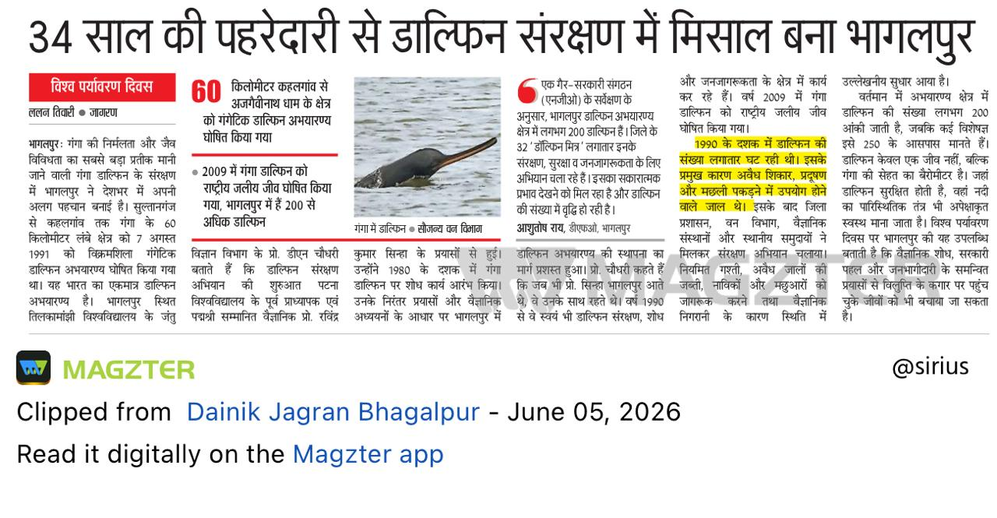
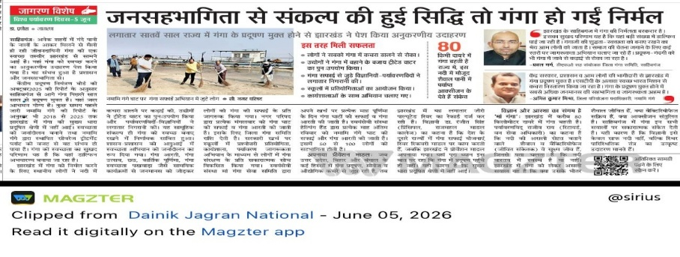

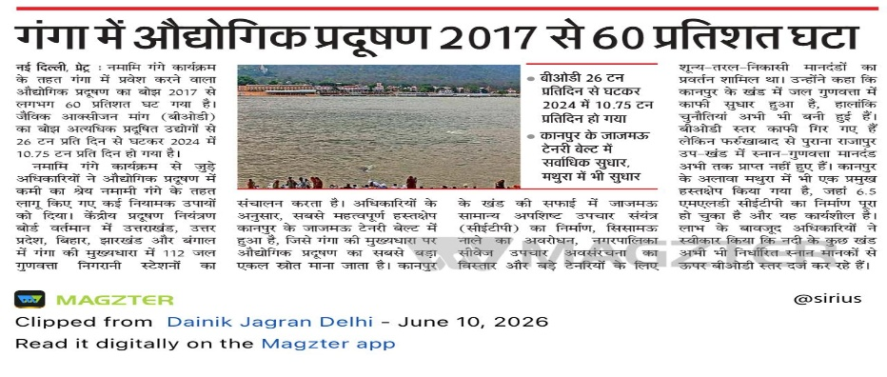
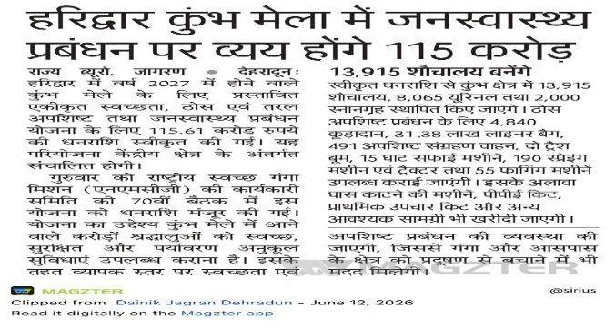
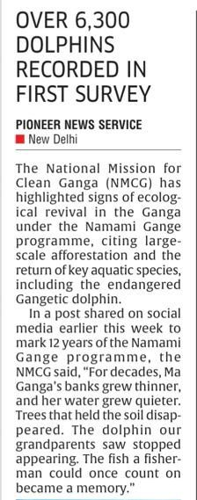
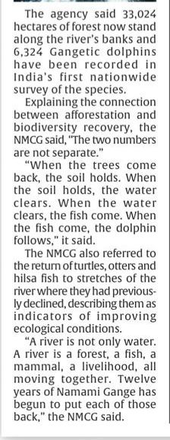
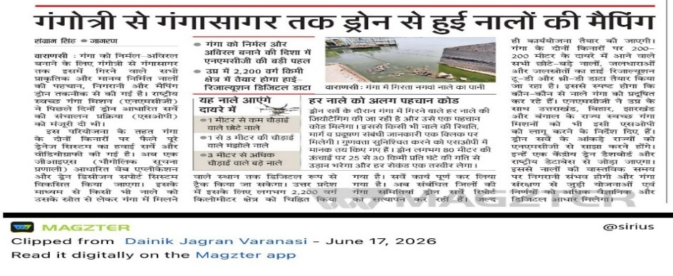
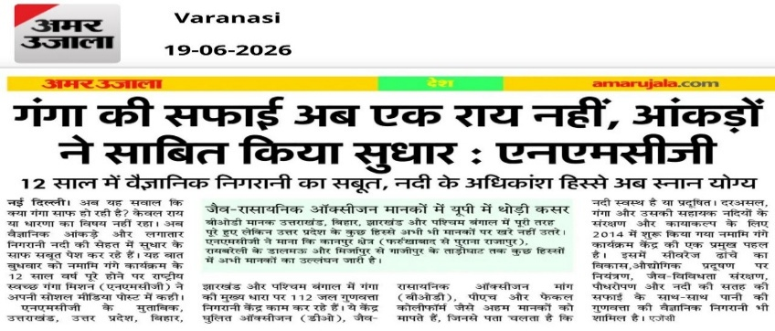
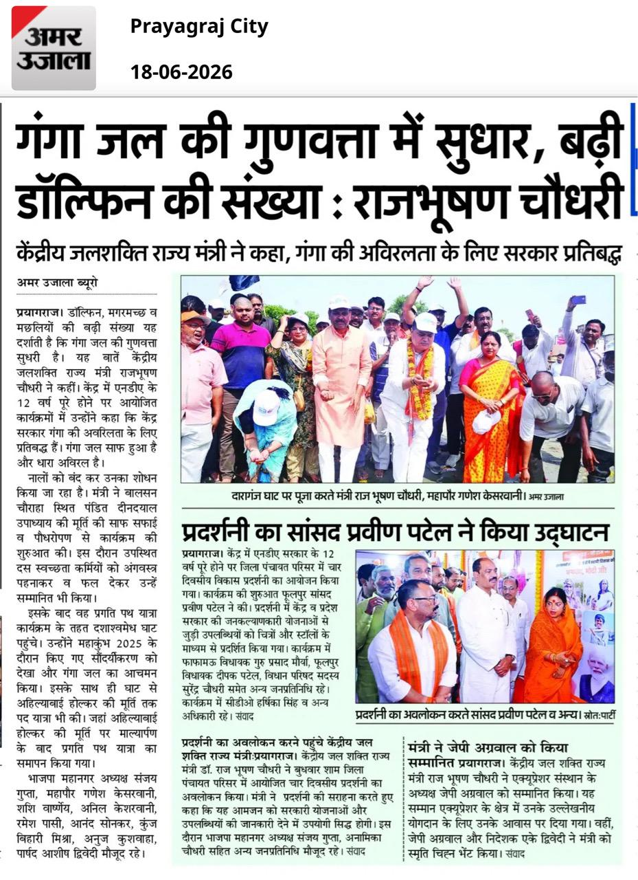
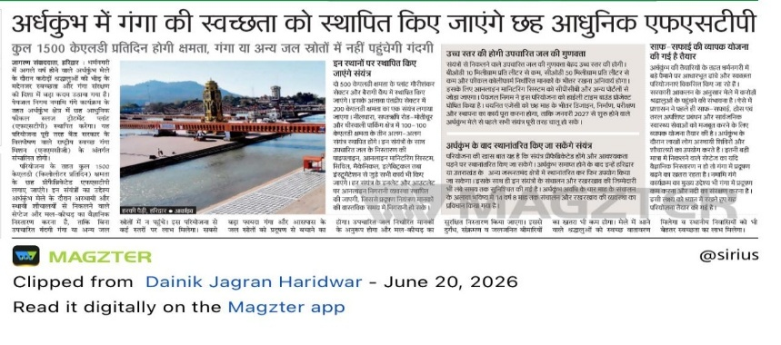
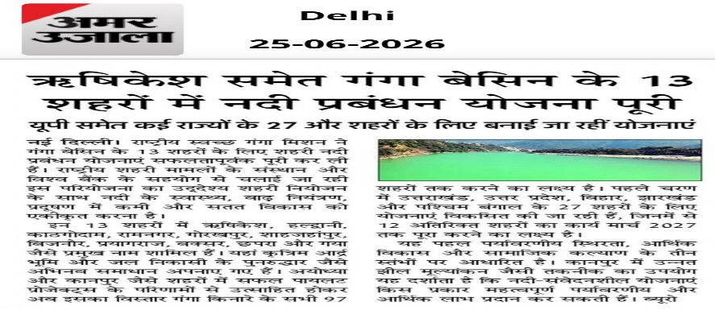
33 | Bhagalpur's Enduring Commitment to Protecting the Ganga Dolphin | 5th June
34 | Jharkhand Sets a Benchmark with Seven Consecutive Pollution-Free Years for the Ganga | 5th June
35 | NMCG launces citizen guide to protect urban wetlands | 9th June
36 | Ganga Sees 60% Drop in Industrial Pollution Since 2017 | 10th June
37 | NMCG Approves ₹115 Crore to Ensure a Clean and Safe Haridwar Kumbh 2027 | 12th June
38 | NMCG's Ecological Revival Efforts Reflected in Record Gangetic Dolphin Count | 15th June
39 | NMCG Completes Drone Mapping of Drains from Gangotri to Gangasagar | 17th June
40 | Raj Bhushan Choudhary Highlights NMCG's Success Through Improved Water Quality and Rising Dolphin Numbers | 18th June
41 | NMCG Demonstrates Cleaner Ganga Through Scientific Monitoring | 19th June
42 | NMCG to Deploy Six Advanced FSTPs for a Cleaner Ardh Kumbh | 20th June
43 | NMCG Completes Urban River Management Plans for 13 Ganga Basin Cities | 25th June
44 | NMCG Organises International Day of Yoga 2026 Celebrations in New Delhi; Events Held Across Ganga Basin | 21st June | https://www.pib.gov.in/PressReleasePage.aspx?PRID=2276309&reg=48&lang=1 | PIB Release
45 | NMCG Scales Up Urban River Management Plans Across 63 Ganga Basin Cities | 24th June | https://www.pib.gov.in/PressReleasePage.aspx?PRID=2277477&v=6&reg=48&lang=2 | PIB Release
 | Annex B | S. No 5,6,7
S. No. | Event Name (Activity Type) | Agency | Date | Venue | Participants
1 | Cleanliness Drives on Yamuna | NMCG with NGOs (Delhi) | Every Sunday | Soor Ghat, Wazirabad; Geeta Colony; Sonia Vihar 2.5 Pushta; Geeta Colony Thokar 1.7 | NGOs- Saksham Bhoomi Foundation, Yuva Parivartan Foundation, Friends of Yamuna Swachh Yamuna Abhiyaan; Schools, Colleges, Youth Groups, NGOs and Yamuna Task Force etc.
2 | International Day of Yoga- Delhi | NMCG | 21.06.2026 | District Park, Hauz Khas, Delhi | Ministry of Jal Shakti and allied departments, partner organisations, NGOs, Ganga Task Force, School/College students
3 | Aao Yamuna Sawaro | YPF | 7.06.2026 | Zero Pushta , Sonia Vihar , delhi | Kyaking Sports Trainees, Students , Local Community , YTF , NGOs
 | UTTARAKHAND
4 | World Environment Day | SMCG, DGCs (13) and academic institutions (Govt. PG Collges & Universities-20) | 01 to 07.06.2026 | Different places | Students, Youth Groups, Volunteers & Local Communities
5 | Ek Ped Maa Ke Naam | DGCs (13), Colleges & Universities | 05.06.2026 | different places, areas designated by ditsrict forest areas, schools, colleges, community parks and other strategic places | District Forest Dept., NGOs, Students, Youth Groups, Volunteers & Local Communities
6 | International Day of Yoga | DGCs (11), academic institutions, youth groups, NGOs | 21.06.2026 | Ganga Ghats, near riverbanks, schools & college premises, community halls and other strategic places | College Students, Teachers & Volunteers and local communities
 | UTTAR PRADESH
7 | World Environment Day | SMCG, DGCs (67) and academic institutions | 05.06.2026 | different places (indoor/outside venues, academic institutions, Ghats) | School/College Students, Youth, Volunteers, NGOs & local communities
8 | Ek Ped Maa Ke Naam | DGC (48) & Forest Department, academic institutions, community based organisations | 05.06.2026 | various locations, areas designated by ditsrict forest areas, schools, colleges, community parks and other strategic places | Forest Departments, School/College Students, Teachers, Youth Groups, Volunteers & Local Communities
9 | International Day of Yoga | DGCs (67), academic institutions, youth groups, NGOs | 21.06.2026 | Ganga Ghats, near riverbanks, schools & college premises, community halls and other strategic places | School/ College Students, Youth Groups, Volunteers, NGOs & Local Communities
10 | 1 Hour Shramdan Drive | DGC-Rampur, NGOs, Schools/Colleges | Every Sunday | Rampur (Group Centre-CRPF, Patwai Talab and Kosi Ghat) | School/College Students, Youth, Volunteers, NGO representatives & local communities
 | BIHAR
11 | World Environment Day | DGCs, Nagar Parishad & academic institutions | 05.06.2026 | different places (indoor/outside venues, academic institutions, Ghats) | School & College Students, Teachers, Youth Groups, Volunteers, NGOs & Local Communities
12 | Ek Ped Maa Ke Naam | DGCs, Nagar Parishad, Forest departments academic institutions | 05.06.2026 | different places, areas designated by ditsrict forest areas, schools, colleges, community parks and other strategic places | Forest Department, DGC, School & College Students, Youth Groups, Volunteers, NGOs & Local Communities
13 | International Day of Yoga | DGCs and academic institutions | 21.06.2026 | Ganga Ghats, near riverbanks, schools & college premises, community halls and other strategic places | School & College Students, Teachers, Youth Groups, Religious Groups, Volunteers, NGOs & Local Communities
 | JHARKHAND
14 | World Environment Day | DGCs (4 DGCs & 2 Cities)- Dhanbad, Sahibganj, Ramgarh, Bokaro & Chatra, Nagar Parishad, Education Department, Self Help Groups, Schools/Colleges | 05.06.2026 | various schools/colleges, community & market areas and key locations | School/College Students, Teachers, SHGs, Youth, Volunteers, NGOs & local communities
15 | Ek Ped Maa Ke Naam | DGCs (4 DGCs & 2 Cities)- Dhanbad, Sahibganj, Ramgarh, Bokaro & Chatra, Nagar Parishad, Forest Department, Schools/Colleges, NGOs and volunteers | 05.06.2026 | school/college premises, forest areas, nursuries, public parks and other locations | School & College Students, Teachers, Youth Groups, Volunteers, NGOs & Local Communities
16 | International Day of Yoga | DGCs and academic institutions | 21.06.2026 | Ganga Ghats, river banks, auditorium, indoor/outside premises and other key locations | School/ College Students, Youth Groups, Volunteers, NGOs & Local Communities
 | WEST BENGAL
17 | World Environment Day | DGCs (9), KMC Kolkata, Forest Departments and other organisations & institutions | 05.06.2026 | Durgakinkar Sada Auditorium, Malda College, English Bazar Municipal Area (Malda), Laldighi , Sahanagar Ganga Ghat, Kanchantala Ganga Ghat, Jangirpur & Azimganj Municipal Area (Berhampore, Murshidabad), Kalna Hibdu Girls (Purba Bardhaman), Gabtala Math (Nadia), Telinipara Girls High School, Sarada Pally Kanya Vidyapith (Hooghly), B ally Rabindra Bhavan (Howrah) and other municipal areas, schools and Ghats | District Administration, Municipal corporations, Block Representatives, SHG Members, Teachers, NCC/NSS, School & College Students, Environment experts, youth groups, panchayat officials, NGOs.
18 | Ek Ped Maa Ke Naam | DGCs (9), KMC Kolkata, Forest Departments and other organisations & institutions | 05.06.2026 | Mukta manchan area, college premises (Malda), Laldighi, Sahanagar Ganga Ghat, Kanchantala Ganga Ghat, Jangirpur, Azimganj Municipal Area, Anupnagar BPHC Ground (Murshidabad),Kalna Hindu Girls School (Purba Bardhman), Kukrahati Ferry Ghat, Bipin Behari Ganguly Park (Halishahr), Kalidas Sarkar Ghat (Kolkata), schools/colleges, villages & gram panchayats, forest areas and other strategic locations | District Administration, Forest Departments, Municipal corporations, Block Representatives, SHG Members, NCC/NSS, School & College Students, youth groups, panchayat officials, NGOs.
19 | International Day of Yoga | DGC (9), KMD, KMDA, NGOS, Shool/Colleges | 21.06.2026 | Ganga Ghats- Sarkar Tola Ghat (Malda), Gouripur Malopara, Bagsipara Ganga Ghat (Murshidabad), Katwa Mora Ghat (Purba Bardhman), Mahishadal Rajbari Ground & Geonkhali River Side (Purba Medinipur); ISKCON premises, Nadia (Nabadwip), Ganga Ghat Mithapukar (Hooghly), Rajgunj Ghat (Howrah), Gandhi Ghat (Barrackpore), Duttbari, Shyamsundarpur (South 24 Parganas), Rabindra Sarobar, Subhas sarobar and Unnayan Bhawan (Kolkata) and other strategic locations | Block Administration, panchyat representatioves, local leaders, VBDC workers, SHGs, religious leaders, school/college students, NGOs, women & youth volunteers etc.

